Test Summary Report
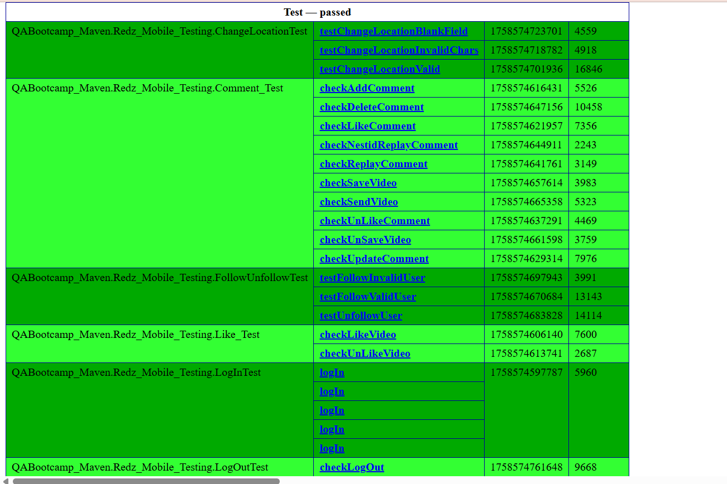
Test Report
Test Cycle | System Test
Executed | Passed |  |  | 35
 | Failed |  |  | 2
 | Total Tests Executed (Passed + Failed) |  |  |  |  | 37
Pending
In Progress |  |  |  |  |  | 0
Blocked |  |  |  |  |  | 0
(Sub-Total) Test Planed |  |  |  |  |  | 37
[Pending - In Progress - Blocked - Test Executed]

Functions (Test Scenarios) | Description | TCs Excuted % | TCs Passed % | TCs pending | Priority | Remarks
Like | Allow the user to like a video and increase its like count. | 100% | 100% | 0% | High
Dislike | Allow the user to dislike a video and decrease its like count. | 100% | 100% | 0% | High
Comment Add | Enable the user to add a new comment on a video. | 100% | 100% | 0% | High
Comment Edit | Allow the user to edit an existing comment. | 100% | 100% | 0% | High
Comment Delete | Allow the user to delete a comment they created. | 100% | 100% | 0% | High
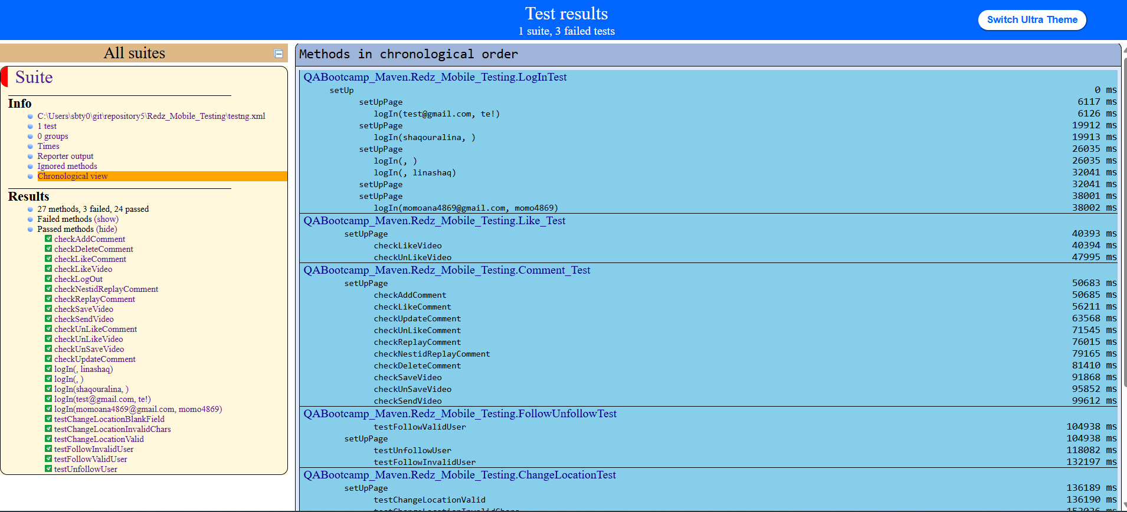
Reply to Comment | Enable the user to reply to an existing comment. | 100% | 100% | 0% | High
Like Comment | Allow the user to like a specific comment. | 100% | 100% | 0% | High
Save Video | Let the user save a video to their saved list for later. | 100% | 100% | 0% | High
Share Video | Allow the user to share a video with others through external apps or platforms. | 100% | 100% | 0% | High
Log in (via Data Provider) | Let the user log in using predefined data provider credentials. | 100% | 100% | 0% | High
Log out | Allow the user to securely log out of their account. | 100% | 100% | 0% | High
Edit Profile | Enable the user to update profile details such as name, picture, or bio. | 100% | 100% | 0% | High
Follow User | Allow the user to follow another user and see their updates. | 100% | 100% | 0% | High
Unfollow User | Allow the user to unfollow another user and stop receiving their updates. | 100% | 100% | 0% | High
Send Message | Enable the user to send a private message to another user. | 100% | 90% | 0% | High
Change Location | Allow the user to change their current location to update preferences and content. | 100% | 90% | 0% | High

